Sheet1
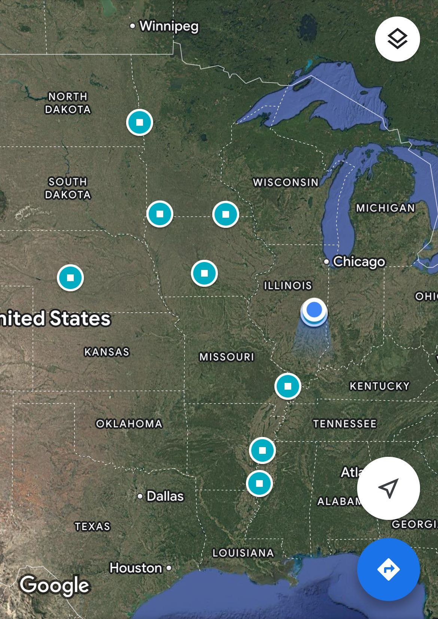
 | Climate zone | State | City/Region
Corn | Humid Continental (cool summer) | Minnesota | Fargo | Northest
 | Humid Continental (cool summer) | Minnesota | Nobles
 | Humid Continental (cool summer) | Minnesota | Grand Meadow
 | Humid Continental (warm summer) | Iowa | Arnold | Westest
 | Humid Continental (warm summer) | Nebraska | Des Moines | Middle
 | Humid Continental (warm summer) | Illinois | Champaign | Eastest
 | Humid Subtropical | Missouri | Cape Girardeau
 | Humid Subtropical | Arkensas | Marianna
 | Humid Subtropical | Messissippi | Stoneville | Southest

Wheat | Semiarid Steppe | Kansas | HUGOTON
 | Semiarid Steppe | Kansas | ULYSSES 3NE
 | Semiarid Steppe | Kansas | GARDEN CITY EXP STA
 | Humid Continental (warm summer) | North Dakota | LANGDON EXP FARM
 | Humid Continental (warm summer) | North Dakota | GRAND FORKS UNIV (NWS)
 | Humid Continental (warm summer) | North Dakota | CAVALIER 7NW

Cotton | Humid Subtropical | Texas | Port Mansfield
 | Humid Subtropical | Texas | Port Isabel
 | Humid Subtropical | Texas | Brownscille South Padre Island International Airport
 | Semiarid Steppe | Texas | Dimmitt
 | Semiarid Steppe | Texas | Olton
 | Semiarid Steppe | Texas | Levelland

